Donation Record Form
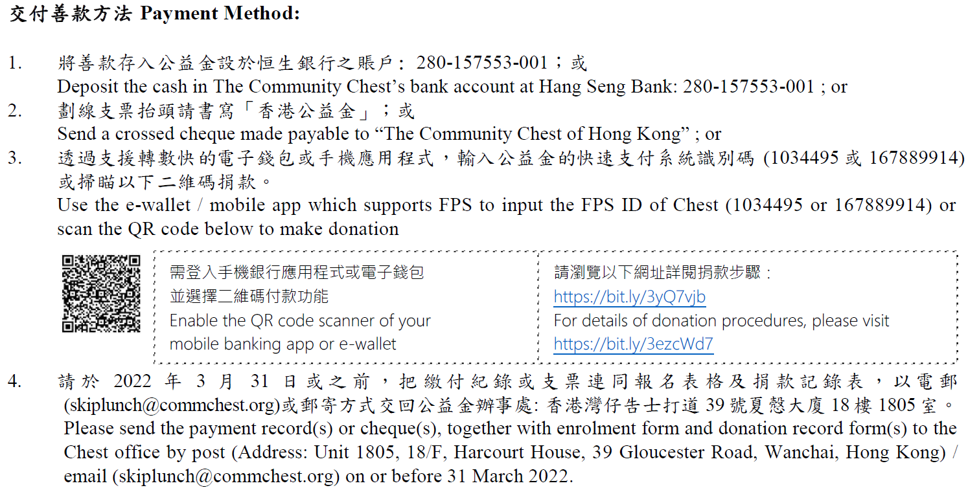
機構名稱 Name of Organisation:

次序 No. | 參加者姓名# Name of Participant# | 參加者電郵地址# Participant’s Email# | 捐款金額 (港幣)# Donation Amount (HK$)# | 確實電子愛心券數量# No. of e-Coupons required# | 轉贈予公益金受惠者的電子愛心券數量(如適用) No. of e-Coupons to be donated to the Chest’s beneficiaries (if applicable) | 需要收據* Require Receipt* (Y/N) | 收據抬頭 (如與參加者姓名不同) Receipt Name (if different from Name of Participant)
1
2
3
4
5
6
7
8
9
10
11
12
13
14
15
16
17
18
19
20
21
22
23
24
25
26
27
28
29
30
 |  |  | 0 | 0 | 0

#必須墳寫 Required Fields
*每張「折」食日電子愛心券捐款滿一百元或以上之捐款人，可獲發正式收據。正式收據會郵寄至 貴機構，請代為分派。 Official receipts will be issued to donors who contribute HK$100 or above per Skip Lunch Day e-Coupon and will be mailed to your office for distribution.
註 Note: 電子愛心券數量一經確認，將不能更改、取消或退回。Once the quantity of e-Coupons is confirmed, NO change or cancellation or return will be accepted.

